Ark1
Exhibitor Information:
Company name:
Company adress:
Company phone:
Contact person name:
Contact person e-mail:
Contact persone phone:
Invoicing name and reference
Invoicing e-mail:

Event Information:
Name of event: | IWA - World Water Congress and Exhibition 2022
Location: | Bella Center, København, Danmark
Date: | 11 - 15 september 2022
Booth No.: | Hall E + C
Deadline for order form: | 19. august 2022
Deadline for Print files: | 19. august 2022

Order Form
Please fill out the order form and return by email to: andre@standesign.dk no later than the above deadline.
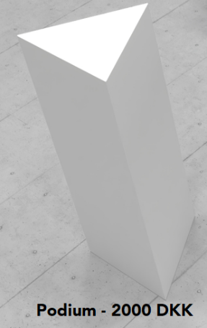

Extras:
Furniture |  |  | DKK | Amount | Total
Podie, white |  |  | 2000 |  | 0
TV 32" |  |  | 3000 |  | 0
TV 43" |  |  | 4000 |  | 0
TV 55" |  |  | 5000 |  | 0
Subtotal |  |  |  |  | 0

DKK Total: |  |  |  | 0.00

All prices include freight - All prices excl. VAT

With reference to our terms and condition on: |  | www.standesign.dk

Comments and Special Orders:

Please indicate what equipment you will bring yourself:

